Extra Thread
H6
H5
H4
H3
H2
H1

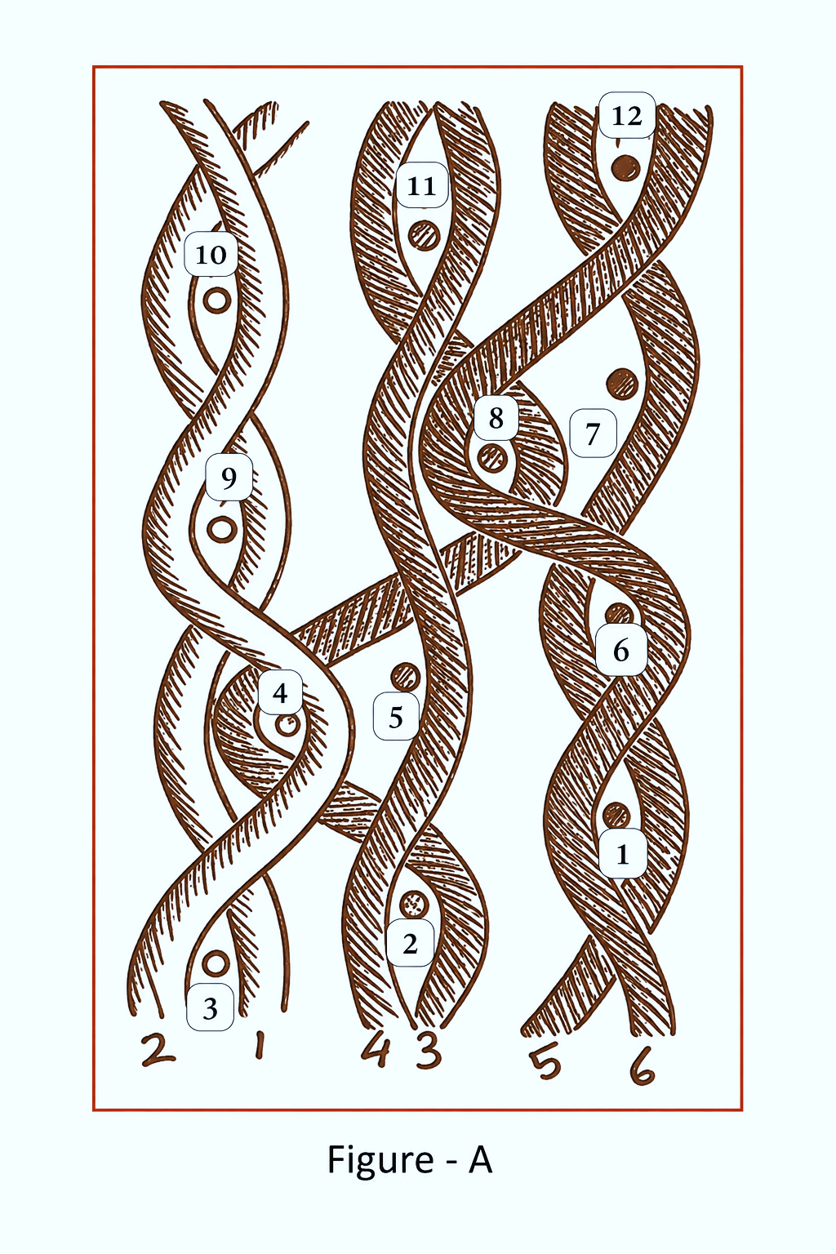
12
11
10
9
8
7
6
5
4
3
2
1
# | 1 | 2 | 3 | 4 | 5 | 6 | 1 | 2 | 3 | 4 | 5 | 6

